ITP-026
 |  |  | Inspection and Test Plan - Control and Supervision of the Works |  |  |  |  |  |  |  | Document # ITP-041
 |  |  |  |  |  |  |  |  |  |  | Revision : 1 | Date : 17/10/2023

Client: |  | Yarra Trams |  | Construction Process: |  | Prepared by: |  | Reviewed by : |  |  | Approved by :
Project: |  | Collins and Spencer St |  | Track Placement - Rail Expansion Joint Systems |  | Name: | Jake Cardillo | Name: | Damon Bromwich |  | Name: | Shaun Kent
Contract No: |  | 8B4200 |  | Specifications: Yarra Trams Infrastructure - Tram Track Construction Standard (CE-019-ST-0033), Design Drawings, Code of Practise SkV Elite Welding Procedure
 |  |  |  | Structure / Component: Tram Tracks Expansion Joints |  | Signed : |  | Signed : |  |  | Signed :
 |  |  |  | Location: |  | Date : | 2023-05-25 | Date : | 2023-05-25 |  | Date : | 2023-05-25

Lot No: |  |  | Lot Details: |  |  |  |  |  | Lot Size/ Quantity:

Item | Task/Activity Description |  | Inspection / Controls and Verification Detail |  |  |  |  | HP/ WP/ AP/ IP/ TP/ SCP | Responsibility | Checked by:
No. |  |  | Frequency | Acceptance Criteria | Reference Documents | Inspection / Test Method | Record of conformity |  | Project Engineer Site Engineer Superintendent Surveyor Foreman | Client | Fulton Hogan | FH's Sub-contractor | Date
1 | Preliminary Works
1.1 | Check for correct documentation |  | Prior to commencing works | • Ensure that all employees and contractors are using the most current and complete set of drawings | Design Drawings and Register | Visual Inspection | This ITP Signed Off | HP* | Fulton Hogan Engineer | N/A |  | N/A
1.2 | Implementation of all measures and controls |  | Prior to commencing works | • All necessary measures and controls are being implemented, that is: PSP, EMP, TMP, JSEA, SWMS & WP • Ensure that all employees and contractor involved in the welding process and are signed onto the relevent hot works permit | PSP, EMP, TMP, JSEA, SWMS, WP | Visual Inspection | This ITP Signed Off | IP | Fulton Hogan Engineer | N/A |  | N/A
1.3 | Check materials and expansion joint systems |  | Prior to commencing works | • Check rail surface is free from any profile deformation and is straight, no crippled or deformed rail is to be used • Check condition of rail sleepers / pandrols • Ensure rail jewellery is of sound condition • Ensure expansion joint box are of adequate condition | AS 1085 IFC Drawings | Visual Inspection | This ITP Signed Off | HP* | Client, Fulton Hogan Engineer |  |  | N/A
1.4 | Welders qualifications |  | Prior to commencing works | •Welders shall be trained and compliant in Aluminothermic Welding Requirements; TLIW2012 Grind Rails TLIW3015 Weld Rails using Aluminothermic welding process TLIW3035 Heat & cut materials using oxy-LPG equipment for the rail industry | CE-019-ST-0033 Appendix C | Verify | This ITP Signed Off | HP* | Fulton Hogan Engineer | N/A |  | N/A
1.5 | Ultrasonic testers qualifications |  | Prior to commencing works | • Ultrasonic testers shall be trained and qualified to AINDT Technician level and shall be experienced in rail weld testing. Certification shall be provided to and approved by the Superintendent prior to commencement of testing. | CE-019-ST-0033 Appendix C | Verify | This ITP Signed Off | HP* | Fulton Hogan Engineer | N/A |  | N/A
2 | Expansion Joints Works
2.1 | Gap setting |  | Each box | 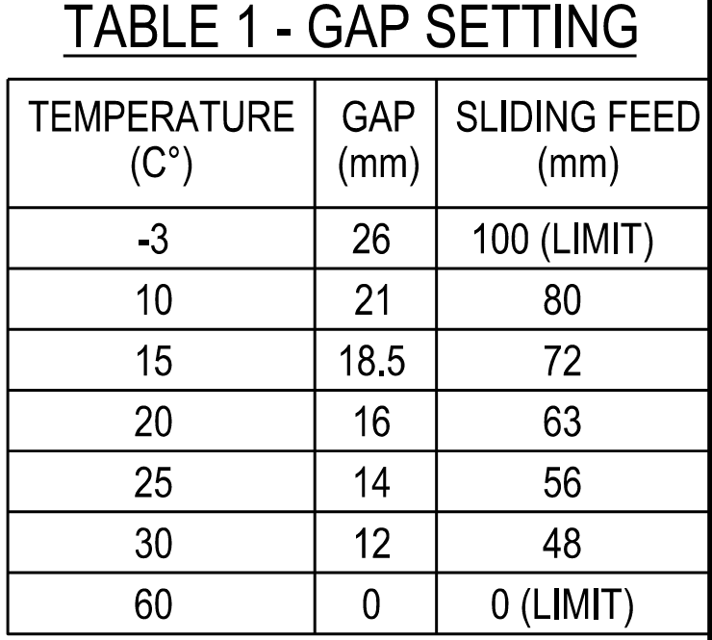 Ensure the box is set to the manufacturer's gap setting and temperature criteria. As below; | Prazska Drawing 1PA.031.000.00.00.1 IFC Drawings 1674-TC-202 1674-TC-203 1674-TC-204 | Visual Inspection | This ITP Signed Off | IP | Fulton Hogan Engineer | N/A |  | N/A
2.2 | Installation of expansion joint system |  | Each expansion joint box | 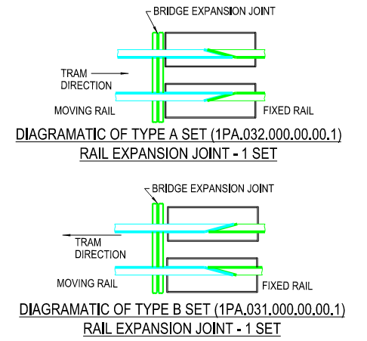 Ensure the expansion joints are installed in the correct direction. I.e., moving and fixed end are in correct orientation. | IFC Drawings 1674-TC-202 1674-TC-203 1674-TC-204 | Visual Inspection | This ITP Signed Off | HP* | Fulton Hogan Engineer | N/A |  | N/A
2.3 | Grouting |  | Each box | • Contractor to ensure that non-shrinking grout fill is installed between bridge deck and rail expansion joint system. | IFC Drawings 1674-TC-202 1674-TC-203 1674-TC-204 | Visual Inspection | This ITP Signed Off | HP* | Fulton Hogan Engineer | N/A |  | N/A
2.4 | Construction of expansion joint |  | Each expansion joint box | • Ensure rubber boots are installed per manufacturers requirements prior to concreting. • Use anchoring plates to hold the rail expansion joints in position. Ensure that all collapsed grooves are reformed. | IFC Drawings 1674-TC-202 1674-TC-203 1674-TC-204 | Verify | This ITP Signed Off | HP* | Fulton Hogan Engineer | N/A |  | N/A
2.5 | Expansion joint bonding system |  | Each lot | • Ensure bonds are sealed as per agreed method with Yarra Trams • Ensure the rail bond is correctly positioned from old 41kg rail | CE-019-ST-0033 cl 4.5.4 IFC Drawings 1674-TC-202 1674-TC-203 1674-TC-204 | Inspection / Test Method | This ITP Signed Off | IP | Fulton Hogan Engineer | N/A |  | N/A
3 | Construction Works
3.1 | Installation of pandrol plate |  | Each lot | • Pandrol plates to be installed as required/instructed by the client | CE-019-ST-0033 cl 4.8.3 | Visual Inspection | This ITP Signed Off | IP | Fulton Hogan Engineer | N/A |  | N/A
3.2 | Placement of rail |  | Each lot | • All track work, including expansion joint systems shall confrom to alignment, offset, level and cant as per design drawings and track charts • Bottom of rail and bearing surface shall be clean of foreign materials before laying • Track Gauge shall be calibrated to 1435mm with a tolerance of +3mm , using an approved measuring device • Geometry tolerances as follows: - Centreline location: +/- 3mm - Level: +/- 3mm - Line measured (>10m chord): +/- 3mm - Twist (3.5m chord): +/- 2mm - Cant: +/- 3mm - Gauge (open track): +3mm, -0mm Note: Cant shall be applied uniformly over transitions | CE-019-ST-0033 cl 4.6.10 | Visual Inspection | Completion of track charts | HP* | Fulton Hogan Engineer | N/A |  | N/A
3.3 | Placement of jewellery |  | Each lot | • Each pandrol shall be fastened to track with approved jewellery and rail clips • Clips shall be installed with panpuller or equivalent • All fasteners shall be sealed as per agreed method with Yarra Trams | CE-019-ST-0033 cl 4.8 | Visual Inspection | This ITP Signed Off | WP | Fulton Hogan Engineer | N/A |  | N/A
3.4 | Rail end preparation |  | Each lot | •Rails shall be saw cut or flame cut •Minimum closure length from proximity of welds shall be 2m •Rail end conditions shall match (i.e flame cut - flame cut) | CE-019-ST-0033 cl 4.9 & Appendix C Code of Practise SkV Elite Welding Proc. | Visual Inspection | This ITP Signed Off | WP | Fulton Hogan Engineer | N/A |  | N/A
3.5 | Welding of rail |  | Each lot | • Joints shall be square across the track • Maximum skew at square joints shall be 65mm • Portions shall match rail type (i.e HHR, Ordinary) • Welds shall not be within: - 3m of another weld - 3m of a rail end - 1.5m of a glued insulation joint assembly • Field welds shall be +/- 50mm from centre of bay between sleepers • Weld Return forms shall be completed by qualified welder • Welds shall be grinded after 1 hour • Welds shall be free of water • Post grinding, welds shall be cleaned for visual inspection | CE-019-ST-0033 cl 4.9. & Appendix C AS1085 Code of Practise SkV Elite Welding Proc. | Visual Inspection | This ITP Signed Off | TP | Fulton Hogan Engineer | N/A |  | N/A
3.6 | Grinding & cleaning welds |  | Each lot | The weld shall be ground smooth to the exact rail head profile after it has sufficiently cooled (not earlier than one hour after pouring). The grinding stroke should not exceed 500 mm to each side of the weld. Welds shall be cleaned of sand and cast metal residues to permit a thorough visual inspection. The vertical tolerance of the weld (of a 1m straight edge) shall be 0mm for dip and between 0mm and 0.5mm for peak. | CE-019-ST-0033 Appendix C | Visual Inspection | This ITP Signed Off | IP | Fulton Hogan Engineer | N/A |  | N/A
3.7 | Track adjustment |  | Each lot | Allowance must be made for expansion and contraction of rail to control stress. The required adjustment depends on rail temperature at time of laying and/or adjusting the rail lengths. In hot weather, it may be necessary to anchor the track temporarily to avoid expansion while the next section is laid or adjusted to avoid creep. Each rail length shall be adjusted in accordance with the rail adjustment table and shall be anchored to standard pattern in accordance with Standard Drawing STD_T9008. | CE-019-ST-0033 Appendix C STD T9008 | Visual Inspection | This ITP Signed Off | IP | Fulton Hogan Engineer | N/A |  | N/A
3.8 | Reinforcement |  | Each lot | •Ensure that all reinforcement is placed as specified by construction drawings. •All placed reinforcement shall be clean and free from grease, tar, oil, paint, mud, loose or thick rust, etc. •Reinforcing mesh shall be handled carefully to prevent distortion. They shall be lapped and tied with wire at a maximum spacing of 500 mm. •Reinforcement shall be terminated 75 to 80 mm from dowelled contraction joints. Reinforcement shall terminate at least 40 mm and not more than 80 mm from longitudinal construction joints, or pavement edges. | CE-019-ST-0033 CL 4.7.7 | Verify | This ITP Signed Off | IP | Fulton Hogan Engineer | N/A |  | N/A
3.9 | Dowels |  | Where Required | •Ensure that all dowels are placed as specified in the construction drawings •All dowels shall be one-piece, straight, plain round steel bars complying with the requirements of AS 1302 and of the size shown on the drawings •Dowels shall be clean and free from mill scale, loose rust or oil. •Ensure that all dowels are securely held in their correct position until the concrete has set. | CE-019-ST-0033 CL 4.7.8 | Verify | This ITP signed off | IP | Fulton Hogan Engineer | N/A |  | N/A
3.10 | Pre pour inspection |  | Prior to start | • Verification of track gauge calibration; a site test shall be conducted by checking measurement accuracy in a 180 degree diference in gauge placement • Contractor and Superintendent shall verify dimensions, levels and alignments of all formworks, reinforcement, rail levels, rail joint welding, track bonding, system drainage are satisfactory for the expansion joint systems | CE-019-ST-0033 | Inspection / Test Method | FH Track Inspection | HP | Fulton Hogan Engineer / YT Superintendent |  |  | N/A
3.11 | Post pour inspection |  | Each Lot | • Ensure finished surface of concrete is of high standard, with a uniform and level surface in accordance with pavement thickness and levels specified in the drawings • Ensure no defects are present in slab | CE-019-ST-0033 | Visual Inspection | Post pour checklist | IP | Fulton Hogan Engineer | N/A |  | N/A
4 | Testing
4.1 | Track testing |  | Each weld | • All welds shall be tested by qualified NDT operator. • Failed welds shall be cut out and replaced • Testing documentation shall be recorded and supplied to the superintendent | CE-019-ST-0033 Appendix C | Inspection / Test Method | This ITP Signed Off | TP | Fulton Hogan Engineer/NDT |  |  | N/A

 | Final Inspection
 | The signature below verifies that this ITP has been completed in accordance with the FH’s Quality system Procedures and verifies lot compliance with specifications.
 | Print Name: |  | Position: |  | Signature: |  |  |  |  | Date: / /

Legend
HP | Hold Point | Work shall not proceed past the HP until released by the Superintendent |  |  | IP | Inspection point |  | Formal Inspection to be done and recorded
HP* | FH Hold Point | Work shall not proceed past the HP* until released by FH |  |  | TP | Test Point |  | Product compliance test to be undertaken and recorded/reported
WP | Witness Point | An inspection which must be witnessed by the Superintendent |  |  | SCP | Survey conformance point |  | A qualified surveyor to check product/section/structure and report
AP | Approval Point | Written or verbal approval given by the Superintendent

